Web app testing check list
Project |  | To-do MVP
Date |  | 2023-08-07
Build |  | -
Tester
Environment ( Android Studio Giraffe | 2022.3.1) |  | PHONE Pixel_3a_API_34_extension_level_7_x86_64 | Samsung A10 Android 11
Name of the check/part |  | Result | Result
Installation |  | passed
Removal |  | passed
Update |  | failed
Launch | From the application catalog | passed
 | From the home screen | passed
 | Splash screen display | passed
Suspension | Collapsing to tray | passed
Resuming | Unfolding from tray | passed
 | By re-tap on the label | passed
Shutdown | Back/exit button | passed
Stop | From tray | passed
 | In the Application manager | passed
On-screen keyboard |  | passed
Testing permissions | Using the microphone | passed
Voice input |  | passed
Scalability for screen resolution |  | passed
Screen orientation changes | Landscape | passed
 | Portrait | passed
 | Screen auto-rotation | passed
Gestures | Tap | passed
 | Double Tap | passed
 | Multi Tap | passed
 | Long Tap | passed
 | Scroll the application does not slow down when scrolling long task lists | passed
 | Swipe the application does not lose data when switching between screens | passed
 | Pull to refresh | passed
 | Drag&Drop | passed
 | Pinch | passed
TO-DO functions | The user can add new tasks to the list | failed
 | The user can mark tasks as completed and delete them from the list | failed
 | The application saves tasks after restarting | failed
 | The user can edit existing tasks | failed
 | The application correctly displays the dates and times of tasks | failed
 | The user can create and edit categories for tasks | failed
 | The app sends notifications about upcoming tasks | failed
 | Navigation between sections of the application | passed
 | Delete task on task page | passed
Filters | Filtering by elements | passed
 | Reset filtering | passed
Kebab menu "..." | Refresh | failed
 | Clearing completed | failed
Burger menu | Calling the menu | passed
 | Navigating through sections | passed
 | Closing the menu | passed
Statistics | Correct display of counter data | failed
The app doesn't crash when switching between screens quickly |  | passed
RAM consumption |  | passed
Battery consumption |  | passed
Screen brightness in the app |  | passed
Testing PUSH notifications |  | failed
Correct error display |  | passed

Results statistics | passed | 39
 | failed | 12
Checks results PHONE Pixel_3a_API_34_extension_level_7_x86_64

 | Envorment PHONE Pixel_3a_API_34_extension_level_7_x86_64

Mongo DB Hogwarts
Number | Task | Request | Responce (Screeshot ) | Comment
1 | Выведите всех персонажей, чей возраст больше 10, но меньше 20 | db.Characters.find ({age: {$gt : 10, $lt: 20}}) | 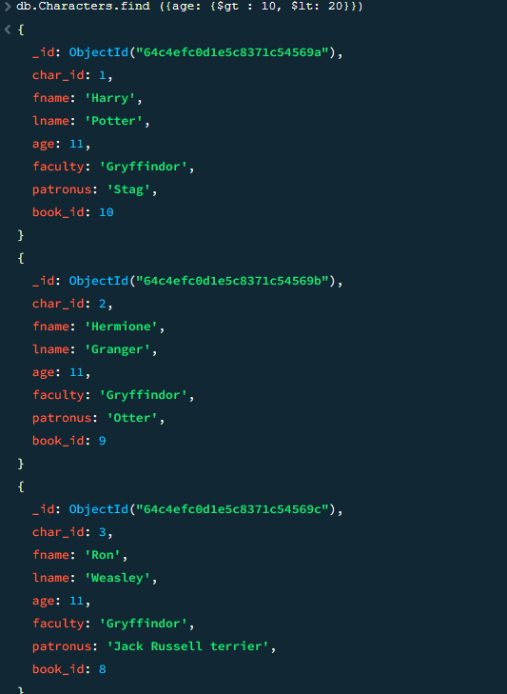 | Запрос указан, все записи с данными не помещаются в окно. Скрин сжат, его можно растянуть для ознакомления.
2 | Выведите всех персонажей, чей возраст меньше 30 и не равен 11 | db.Characters.find ({age: {$lt : 30, $ne: 11}}) | 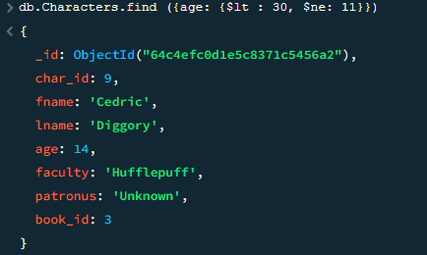
3 | Добавьте всем персонажам 1 год к возрасту | db.Characters.updateMany({}, { $inc: { age: 1 }}) | 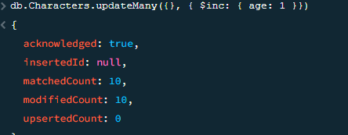
4 | Посчитайте общее количество персонажей, чей возраст больше 11 | db.Characters.find( {age: {$gt: 11}}). count()
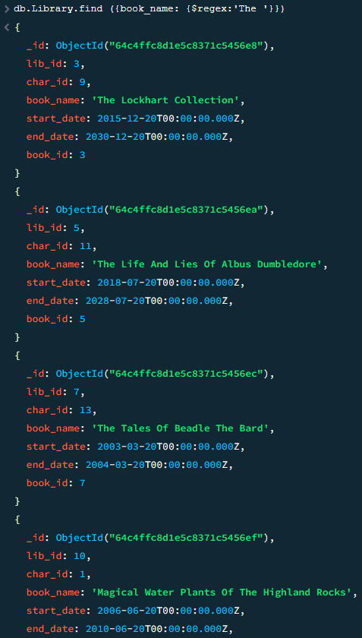
5 | Удалите информацию о книге 'Quidditch Through The Ages' | db.Library.deleteOne( { book_name: "Quidditch Through The Ages"} )
6 | Выведите информацию обо всех в книгах, в названиях которых содержится слово The в любом месте | db.Library.find ({book_name: {$regex:'The'}})

SQL запросы Workbench. Hogwarts
Number | Task | Request | Responce (Screeshot ) | Comment
1 | Выведите имя, фамилию, патронусы всех персонажей, у которых есть patronus и он известен | SELECT fname, lname, patronus FROM characters WHERE patronus is not null; | 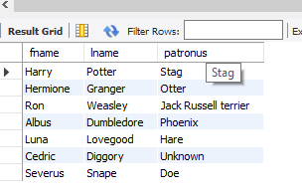
2 | Выведите фамилию персонажей, у которых последняя буква в фамилии ‘e’ | SELECT lname FROM characters WHERE lname like '%e'; | 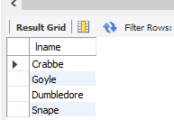
3 | Посчитайте общий возраст всех персонажей и выведите это на экран | SELECT SUM(age) FROM characters;
4 | Выведите имя, фамилию и возраст персонажей по убыванию их возраста | SELECT fname, lname, age FROM characters ORDER BY age DESC; | 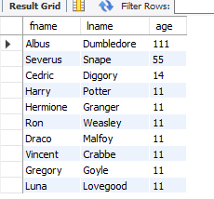
5 | Выведите имя персонажа и возраст, у которых последний находится в диапазоне от 50 до 100 лет | SELECT fname, lname FROM characters WHERE age between 50 and 100;
6 | Выведите возраст всех персонажей так, чтобы среди них не было тех, у кого он одинаковый | SELECT DISTINCT(age) FROM characters; | 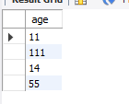
7 | Выведите всю информацию о персонажах, у которых faculty = Gryffindor и чей возраст больше 30 лет | SELECT * FROM characters WHERE faculty='Gryffindor' and Age>30;
8 | Выведите имена первых трех факультетов из таблицы, так чтобы факультеты не повторялись | SELECT DISTINCT(faculty) FROM characters LIMIT 3; | 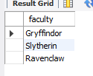
9 | Выведите имена всех персонажей, у которых имя начинается с ‘H’ и состоит из 5 букв, или чье имя начинается с ‘L’ | SELECT fname FROM characters WHERE fname like 'H____' or fname like'L%';
10 | Посчитайте средний возраст всех персонажей | SELECT round(AVG(age)) as 'Средний возраст всех персонажей' FROM characters; |  | Артём, тут привел нормальный вид т.к. это возраст. если нужно было просто вывести среднею я понял материал. Но посмотрев в интернетах инфу решил сделать так.
11 | Удалите персонажа с ID = 11 | DELETE FROM characters WHERE char_id=11; |  | Тут только лог. SELECT * FROM characters; Таблица без Волондеморта
12 | Выведите фамилию всех персонажей, которые содержат в ней букву ‘a’ | SELECT lname FROM characters WHERE lname like '%a%'; | 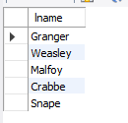
13 | Используйте псевдоним для того, чтобы временно замените название столбца fname на Half-Blood Prince для реального принца-полукровки | SELECT fname as 'Half-Blood Prince' FROM characters WHERE fname='Severus'; |  | Здесь решить можно было несколькими способами, ссылаясь на ID, fname, lname принца полукровки.
14 | Выведите id и имена всех патронусов в алфавитном порядки, при условии что они есть или известны | SELECT char_id, patronus FROM characters WHERE patronus is not null and not patronus='unknown' ORDER BY patronus; | 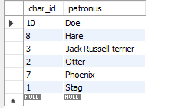
15 | Используя оператор IN, выведите имя и фамилию тех персонажей, у которых фамилия Crabbe, Granger или Diggory | SELECT fname, lname FROM characters WHERE lname in ('Crabbe', 'Granger', 'Diggory'); | 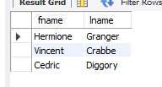
16 | Выведите минимальный возраст персонажа | SELECT MIN(age) FROM characters;
17 | Используя оператор UNION выберите имена из таблицы characters и названия книг из таблицы library | SELECT fname FROM characters UNION SELECT book_name FROM library; | 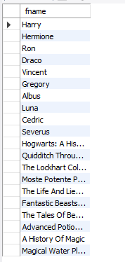
18 | Используя оператор HAVING посчитайте количество персонажей на каждом факультете, оставив только те факультеты, где количество студентов больше 1 | SELECT faculty, COUNT(faculty) as 'Количество студентов на факультете' FROM characters GROUP BY faculty HAVING COUNT(faculty)>1;
19 | Используя оператор CASE опишите следующую логику: Выведите имя и фамилию персонажа, а также следующий текстовое сообщение: Если факультет Gryffindor, то в консоли должно вывестись Godric Если факультет Slytherin, то в консоли должно вывестись Salazar Если факультет Ravenclaw, то в консоли должно вывестись Rowena Если факультет Hufflepuff, то в консоли должно вывестись Helga Если другая информация, то выводится Muggle Для сообщения используйте псевдоним Founders | SELECT fname, lname, CASE WHEN faculty='Gryffindor' THEN 'Godric' WHEN faculty='Slytherin' THEN 'SALAZAR' WHEN faculty='Ravenclaw' THEN 'Rowena' WHEN faculty='Hufflepuff' THEN 'Helga' ELSE 'Mugle' END as Founders FROM characters; | 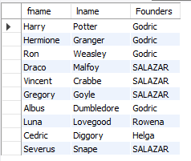
20 | Используя регулярное выражение найдите фамилии персонажей, которые не начинаются с букв H, L или S и выведите их | SELECT lname FROM characters WHERE lname NOT LIKE 'H%' and lname NOT LIKE 'L%' and lname NOT LIKE 'S%'; | 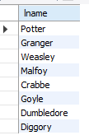
 | Блок 2
1 | Выведите имя, фамилию персонажей и название книги, которая на них числится | FROM characters INNER JOIN library ON characters.char_id = library.char_id; | 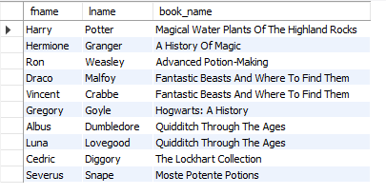
2 | Выведите имя, фамилию персонажей и название книги, вне зависимости от того, есть ли у них книги или нет | SELECT fname,lname, book_name FROM characters LEFT JOIN library ON characters.char_id = library.char_id; | 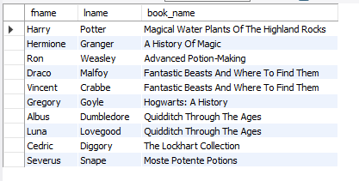
3 | Выведите название книги и имя патронуса, вне зависимости от того, есть ли информация о держателе книги в таблице или нет | SELECT book_name, patronus FROM library RIGHT JOIN characters ON characters.char_id = library.char_id; | 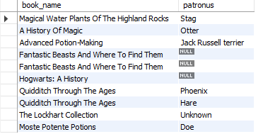
4 | Выведите имя, фамилию, возраст персонажей и название книги, которая на них числится, при условии, что все владельцы книг должны быть старше 15 лет | SELECT fname,lname, age, book_name FROM characters LEFT JOIN library ON characters.char_id = library.char_id WHERE characters.age > 15;
5 | Выведите имя персонажа, название книги, дату выдачи и дату завершения, при условии, что он младше 15 лет и его патронус неизвестен | SELECT fname, book_name, start_date, end_date FROM characters LEFT JOIN library ON characters.char_id = library.char_id WHERE characters.age < 15 and characters.patronus='Unknown';
6 | Используя вложенный запрос количество книг, у которых end_date больше, чем end_date у Hermione | SELECT count(book_name) as 'Количество книг' From library WHERE end_date > (SELECT end_date From library WHERE char_id=2);
7 | С помощью вложенного запроса выведите имена всех патронусов, у которых владельцы старше возраста персонажа, у которого патронус Unknown | SELECT patronus FROM characters WHERE age >(SELECT age FROM characters WHERE patronus='Unknown')

Практическое задание 6.2 Html с
